Circuit
ENGT 120 | VOLTAGE DIVIDER LAB
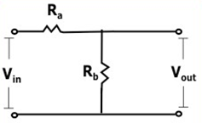

 | Vin = | Input Voltage
 | Vout = | Output Voltage

